Passing pointer to function
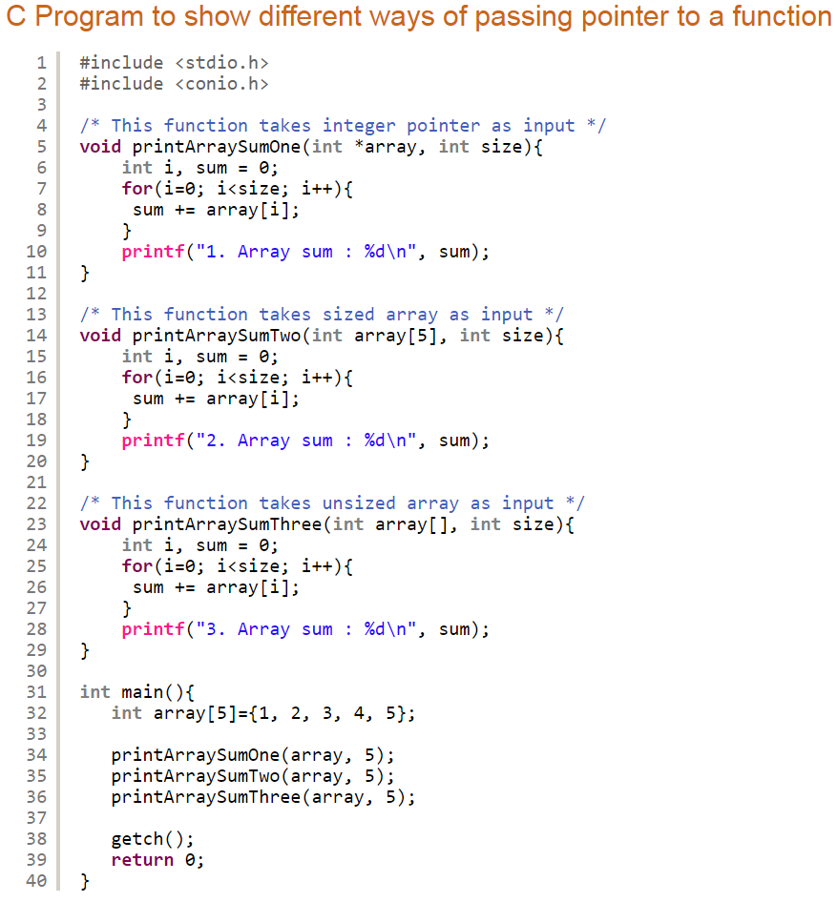
Index
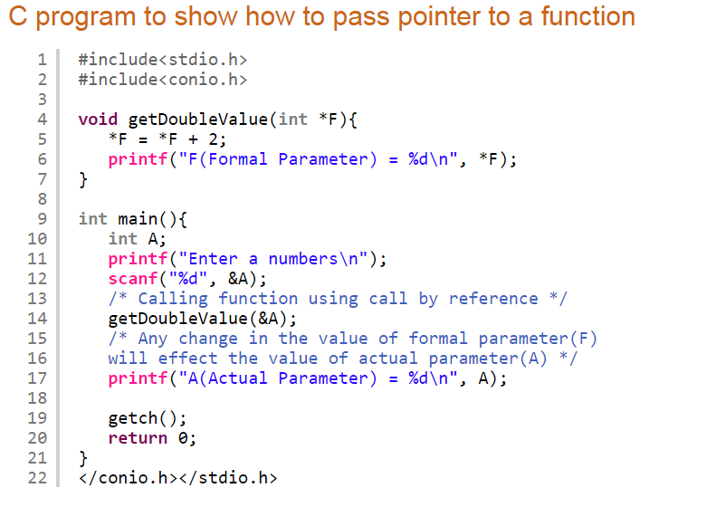
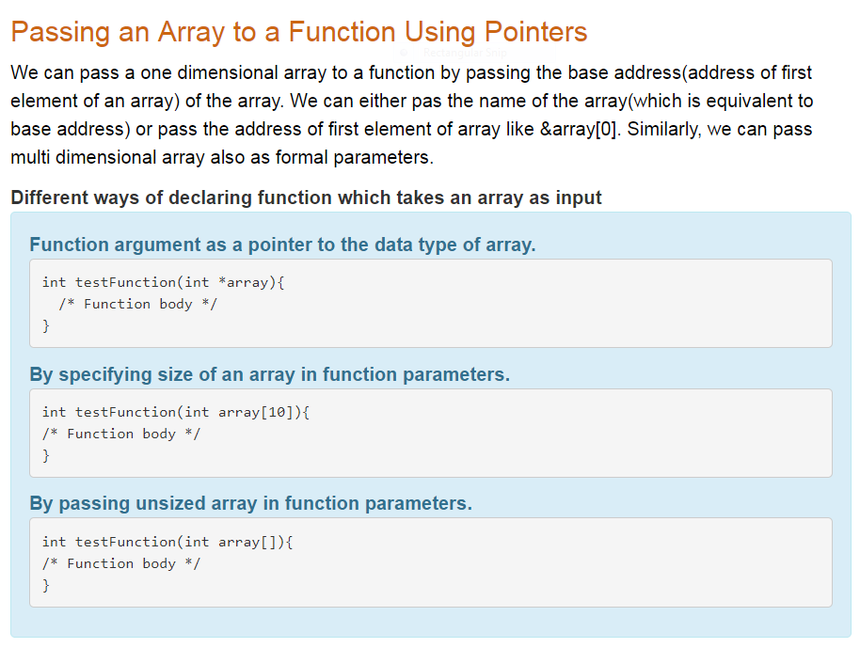

 | Enter a numbers
 | 7
 | F(Formal Parameter) = 9
 | A(Actual Parameter) = 9

Function Returning Pointer
Back | Index
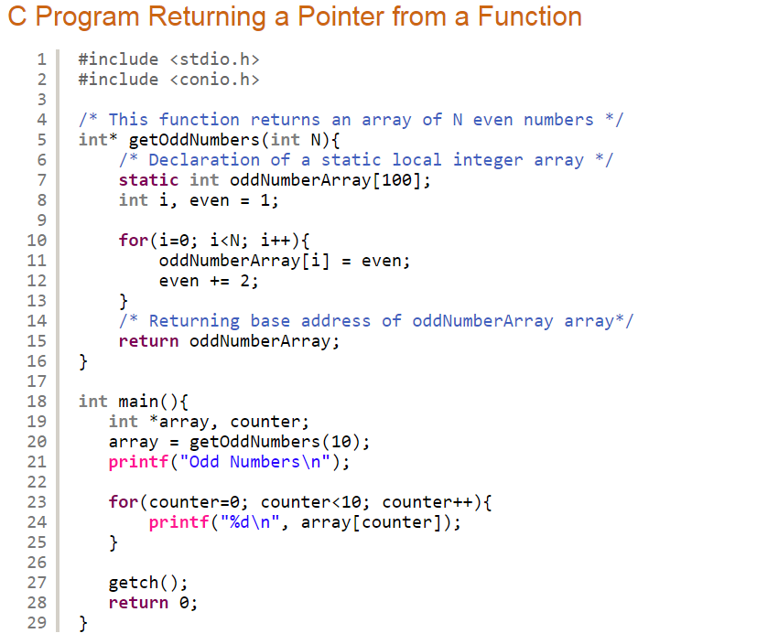
 |  | Program Output
 |  | Odd Numbers
 |  | 1
 |  | 3
 |  | 5
 |  | 7
 |  | 9
 |  | 11
 |  | 13
 |  | 15
 |  | 17
 |  | 19

Notes
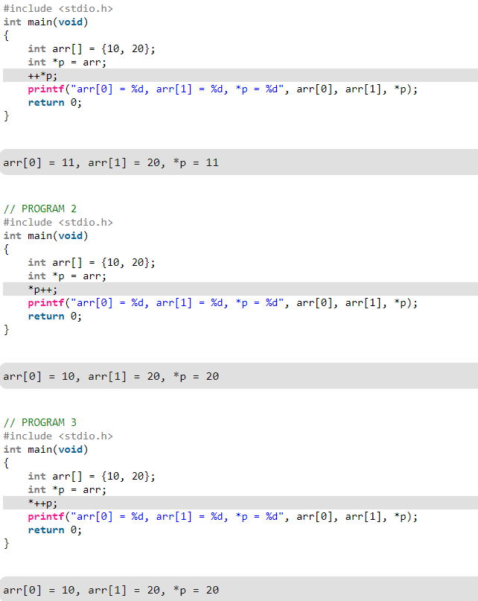
Index

 | See following declarations to know the difference between constant pointer and a pointer to a constant. int * const ptr —> ptr is constant pointer. You can change the value at the location pointed by pointer p, but you can not change p to point to other location. int const * ptr —> ptr is a pointer to a constant. You can change ptr to point other variable. But you cannot change the value pointed by ptr. Therefore above program works well because we have a constant pointer and we are not changing ptr to point to any other location. We are only icrementing value pointed by ptr.

 | The output of above programs and all such programs can be easily guessed by remembering following simple rules about postfix ++, prefix ++ and * (dereference) operators 1) Precedence of prefix ++ and * is same. Associativity of both is right to left. 2) Precedence of postfix ++ is higher than both * and prefix ++. Associativity of postfix ++ is left to right.

